Dashboard
United WS | February 2026 |  |  |  | March 2026 |  |  |  | April 2026 |  |  |  |  |  |  |  |  |  |  |  | Claims
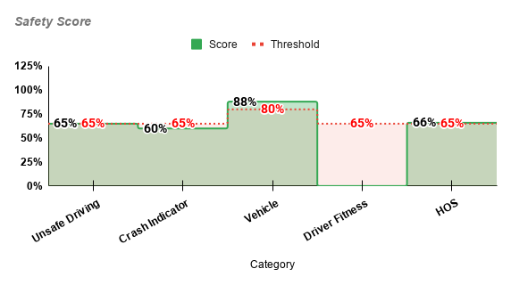
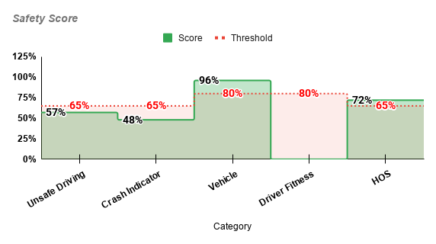
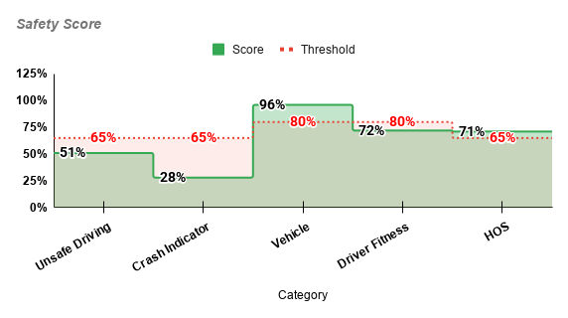
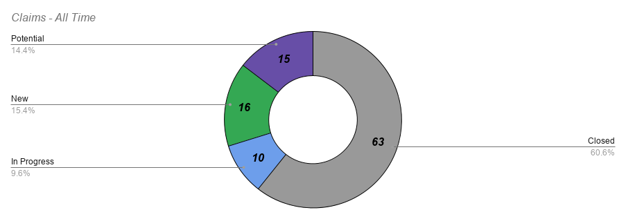
?
Unsafe Driving
Crash Indicator
Vehicle Maintenance ⚠️
Driver Fitness
HOS ⚠️
Critical Controle / Missing Docs & Data Entry |  |  |  |  |  |  |  |  |  | Samsara |  |  |  |  |  |  |  | CLAIMS
CDL Expired | Medical Expired | DOT Inspection Expired | Registartion Expired | Job App | Indep. Cont. Agree | Equp. Lease | PEV | Termination | Data Entry Missing | Fleet Coverage OTR % (cameras - active trucks) | Fleet Coverage INT % (cameras - active trucks) | Over 30 Days Active Missing Samsara | #Speeding 5-10 (Moderate) | #Speeding 10+ (Heavy) | Harsh Brake | Harsh Turn | Other |  | New | In Progress | Potential | Sort New --> Old | United WS
0 | 0 | 4 | 3 | 23 | 42 | 48 | 103 | 45 | 811 | 35.37% | 88.24% | # drivers that are over 30days with us and dont have camera | 3500 | 232 | 11 | 0 | 1 | Days Open | TRUE | FALSE | TRUE | TRUE
Critical Controle 7 Day ALERT |  |  |  | FALSE | 2026-01-01 | WI IRP Active | WI IRP Available | TX IRP Active | TX IRP Available | INSCPECTIONS Chart |  |  |  |  |  |  |  |  | Date | Driver & Units | Description | Last Update | Type of Claim | Status
#REF! |  |  |  |  | 2026-05-01 | 54 | 0 | 29 | 0 | Date | Driver / Truck | Vehicle Maint. | HOS Compliance | Unsafe Driving | Other Violations | OOS | Inspection Returned | 0 | 2026-05-28 | William Rios - CTC-032 | Shipper made floor damages | In comunication with broker load# 6060490 | PD | New
 |  |  |  |  | INSPECTIONS |  |  |  |  | 5/28/2026 | Orlando Emanuel Reyes Santos - 1920 | 0 | 0 | 1 | 0 | 0 | NO | 5 | 2026-05-23 | Reginald Jay Shelton - Truck - 177 |  |  | AL | New
 |  |  |  |  | Dot Inspections | Clean | With Violations | DOT Violation Rate | Violations per Inspection Rate | 5/28/2026 | Kerry Gill Hearne - 9564 | 5 | 0 | 0 | 3 | 0 | NO | 7 | 2026-05-21 | Mahamat Ali Ibrahim - Truck - 111 | A passenger vehcile cut him of and then struck a traffic cone, police were on site |  | AL | Potential
 |  |  |  |  | 71 | 25 | 46 | 64.79% | 1.87 | 5/23/2026 | SAMUEL ORTIZ - | 0 | 0 | 1 | 0 | 0 | NO | 9 | 2026-05-19 | Bergelome Tocel - Truck - 1666 | Hit box truck at the shipper | Greg Wilcox 630-788-3305 Email: g.wilcox@hormann.us | AL | New
 |  |  |  |  | Bonus Total | Bonus Paid | Drivers Penalty Total | Drivers Penalty Charged | Over 30 Days Inspections not returned | 5/22/2026 | Carlos Cabrera - 2594 | 1 | 1 | 0 | 0 | 0 | NO | 10 | 2026-05-18 | Saddam Almuntafeky - Truck - 1668 - Trailer - CTC - 023 | Hit low clearance, heavy traielr damage 69 S Main St, Mainville, NJ |  | PD | New
 |  |  |  |  | $13,300.00 | $0.00 | $23,000.00 | $0.00 | 12 | 5/21/2026 | Clinton Copeland - 416 | 2 | 0 | 0 | 0 | 1 | YES | 15 | 2026-05-13 | Bergelome Tocel - Truck - 1666 | Hit and run, somebody damage his rearview mirror |  | PD | New
 |  |  |  |  | SMS Events |  |  |  |  | 5/20/2026 | Kerry Gill Hearne - 9564 | 1 | 0 | 0 | 0 | 0 | YES | 17 | 2026-05-11 | Humberto Garza - Truck - 2027 | Possible cargo claim / driver failed to secure load after loading chain: Re: Pickup 5/8 Addison, IL to Las Vegas, NV|1028234 |  | Cargo | Potential
 |  |  |  |  | Crash | Unsafe Driving | HOS Compliance | Vehicle Maint. | Other Violations | 5/15/2026 | Brandal Williams Soublet - 504 | 3 | 0 | 0 | 0 | 0 | NO | 20 | 2026-05-08 | Mohammed Ibrahim Bahr - Truck - 3128 - Trailer - 6653(V) | Ran over a passenger vehicle with his trailer - HE IS EMPTY possible trailer total loss - axle | Parked at: 7060 S Westnedge Ave, Portage, MI 49002 | PD / AL | New
 |  |  |  |  | 0 | 14 | 8 | 88 | 23 | 5/14/2026 | Arias, Dolphin Henry Jr - 8238 | 0 | 0 | 1 | 0 | 0 | YES | 20 | 2026-05-08 | James Johnson - Truck - 0729 - Trailer - 561750 | Shuipper punkctured trailer roof with forklfit - they amde temporary repairs could be S M Warehouse or S and M Transport (same location) | sastavi estimate i reach out preko brokera vanguard 2024 warehouse # +12516793344 transport # +12516793344 | PD | New
 |  |  |  |  | DataQS / Inspection Challenges |  |  |  |  | 5/13/2026 | Danny Valdes - 1278 | 3 | 1 | 0 | 0 | 0 | YES | 24 | 2026-05-04 | Sali Abdo Osman - Truck - 305 | Someone broke his seal and padlock, nothing missing, on V7XW+M67 Dallas, Texas FOOD GRADE - Breading crumbs | Reinspected at the shipper, trying for redelivery - paperwork seems fine, pending unlaoding and pod on 05/05/2026 UNLOADED CLEAN POD 05/05/2026 INSPECTION ON MONDAY 05/11/2026 NOT YET IN THE CLEAR | Cargo | Potential
 |  |  |  |  | Inspection Date | Driver | Violation | Days Open | Status | 5/13/2026 | Saddam Almuntafeky - 1668 | 2 | 0 | 0 | 0 | 0 | YES | 24 | 2026-05-04 | Michael Gabrial Piquion - Truck - 213 | A flat bad commited a hit and run, damaginf the driver side step area, no pr Happened arround 6PM | Aprox location: I10 49MI SW Silver City NM NO PROOF - NO PR - NO VIDEO - CANNOT CLAIM | PD | New
 |  |  |  |  | 5/28/2026 | Kerry Gill Hearne 9564 |  | 0 | In progress | 5/12/2026 | Mohammed Ibrahim Bahr - 3128 | 1 | 0 | 0 | 1 | 0 | YES | 29 | 2026-04-29 | Eric Lee - Truck - 19635 | Our driver was switching lanes and most likely struck a passenger vehicle - Indira claims that the report shows we are not at fault - NOT LIKELY, CHECK INTO THIS - WE ARE AT FAULT | NO DAMAGE TO OUR UNIT chain on ctc gmail: Fwd: Request for Insurance Information – Motor Vehicle Accident on 04/29/2026 AL CLAIM URGENT OPEN OR SHARE INS WITH LAWYER | AL | Potential
 |  |  |  |  | 5/23/2026 | SAMUEL ORTIZ |  | 5 | In progress | 5/10/2026 | Danny Valdes - 1278 | 0 | 0 | 1 | 0 | 0 | YES | 38 | 2026-04-20 | Andrew Hill - Truck - 379 | 4 skids out of 30 damaged, receiver took everything DTS Freight Load: 175960 | chain: Pictures of damaged boxes | Cargo | Potential
 |  |  |  |  | 5/22/2026 | Carlos Cabrera 2594 |  | 6 | In progress | 4/30/2026 | Brandom Bonner - 5603 | 0 | 0 | 3 | 0 | 0 | YES | 48 | 2026-04-10 | Jose Roberto Martinez - Truck - 719 - Trailer - 556607 | Our unit was caught by a trailer of another unit parking next to him with their trailer on 2040 N Stemmons St, Sanger, TX 76266 | imperiallogisticsllc@gmail.com (347) 987-9800 | PD | New
 |  |  |  |  | 5/14/2026 | Arias, Dolphin Henry Jr 8238 |  | 14 | In progress | 4/29/2026 | Claude Booker - 331 | 0 | 0 | 0 | 2 | 0 | YES | 56 | 2026-04-02 | Andrew Hill - Truck - 379 - Trailer - 559094 | Two lanes to turn left, we were in the right one, the cv in the left, our trailer cought them while turning |  | AL | New
 |  |  |  |  | 5/10/2026 | Danny Valdes 1278 |  | 18 | In progress | 4/22/2026 | AZANAE ELDREME BOND BROOKS - 2562 | 1 | 1 | 0 | 0 | 0 | YES
 |  |  |  |  | 4/14/2026 | Saddam Almuntafeky 1668 | Unsafe Driving | 44 | In progress | 4/22/2026 | Jonathan Lopez - 7217 | 0 | 1 | 0 | 1 | 0 | YES
Current Monthly Schedule Alert |  |  |  |  | 4/13/2026 | ROGER S FRANK 144 |  | 45 | In progress | 4/17/2026 | Alejandro Enrique Sanchez - 8652 | 2 | 0 | 0 | 0 | 0 | YES
TASK NAME |  | START DATE | END DATE | STATUS | 4/13/2026 | ROGER S FRANK 144 |  | 45 | In progress | 4/14/2026 | Saddam Almuntafeky - 1668 | 0 | 0 | 1 | 0 | 0 | YES
 |  |  |  |  | 3/13/2026 | JAMES FREEMAN 0983 |  | 76 | In progress | 4/13/2026 | ROGER S FRANK - 144 | 1 | 0 | 0 | 4 | 3 | YES
 |  |  |  |  | 2/12/2026 | Gadid Hassan Musa Ismail |  | 105 | In progress | 4/13/2026 | ROGER S FRANK - 144 | 4 | 0 | 0 | 1 | 3 | YES
 |  |  |  |  |  |  |  |  |  | 4/13/2026 | Claude Booker - 331 | 0 | 0 | 0 | 1 | 0 | YES
 |  |  |  |  |  |  |  |  |  | 3/22/2026 | Humberto Garza - 2027 | 2 | 0 | 0 | 0 | 0 | YES
 |  |  |  |  |  |  |  |  |  | 3/18/2026 | AZANAE ELDREME BOND BROOKS - 2562 | 1 | 0 | 0 | 0 | 0 | YES
 |  |  |  |  |  |  |  |  |  | 3/17/2026 | AZANAE ELDREME BOND BROOKS - 2562 | 1 | 0 | 0 | 1 | 0 | YES
 |  |  |  |  |  |  |  |  |  | 3/13/2026 | Stephen Lobor Barnaba - 1900 | 13 | 1 | 0 | 3 | 0 | YES

Start Week Monday | 04/27/2026
End Week Monday | 05/11/2026
Samsara

Vehicle Name | Miles | Harsh Brake | Harsh Turn | Speeding Events | Total Driving Time | Speeding Hours | Speeding % Total | Main Issue (in top 5) |  | DEVICE MISSING - Vehicle Name | MISSING ISSUE | NOTES
UTD 8760 - Vincent Lavely | 8847.3 | 0 | 0 | 763 | 141:56:08 | 67:49:31 | 47.79% | Moderate Speeding % & Heavy Speeding % & Severe Speeding % |  | 331 - Claude Booker | IN PROGRESS
UTD 5603 - Brandom Bonner | 8582.5 | 1 | 1 | 1024 | 160:12:33 | 74:03:14 | 46.22% | Light Speeding % & Moderate Speeding % & Heavy Speeding % & Severe Speeding % & Harsh Brake |  | 3317 - Salih Yousef | COMPANY
UTD 9684 - Angel Santiago | 11195.9 | 0 | 0 | 994 | 184:41:15 | 79:43:01 | 43.16% | Moderate Speeding % & Severe Speeding % |  | 1668 - Saddam Almuntafeky | REFUSED
UTD 2475 - Wilbert Duncantell | 8865.3 | 0 | 0 | 923 | 152:55:11 | 61:55:52 | 40.50% | Light Speeding % |  | 801 - Abdelasalam Arbab | IN PROGRESS
UTD 0983 - James Freeman | 11084.9 | 0 | 0 | 894 | 177:01:41 | 62:39:42 | 35.40% | Light Speeding % & Moderate Speeding % & Heavy Speeding % |  | 6721 - Nasir Ali | REFUSED
UTD 504 - Brandal Soublet | 9538.9 | 0 | 0 | 624 | 154:22:21 | 54:24:50 | 35.25% | Light Speeding % & Heavy Speeding % |  | 1118 - Mohammed Jamil Ali Habahbeh | COMPANY
UTD 9367 - Lyaracelis Cruz | 9771.2 | 0 | 0 | 669 | 166:10:41 | 53:59:53 | 32.49% | Heavy Speeding % & Severe Speeding % |  | 8771 - Elfatih Hamid | COMPANY
UTD 8534 - Samuel Raiszemunshai | 10967.7 | 0 | 0 | 779 | 177:55:59 | 55:31:09 | 31.20% | Light Speeding % |  | 8238 - Dolphin Arias | IN PROGRESS
UTD 2562 - Azanae Brooks | 5502.9 | 0 | 0 | 236 | 103:28:41 | 24:16:19 | 23.46% | Severe Speeding % |  | 719 - Jose Roberto Martinez | REFUSED
UTD 2578 - Rodelin Jean | 10872.8 | 0 | 0 | 437 | 191:27:35 | 40:35:58 | 21.21% | Moderate Speeding % |  | 1581 - William Rios
UTD 8652 - Alejandro Sanchez | 12896.9 | 0 | 0 | 622 | 219:46:23 | 46:01:23 | 20.94% |  |  | 099 - Wagner Milton Quijano
UTD 530 - Ronald Renard Harris | 10180.7 | 0 | 0 | 315 | 167:50:22 | 34:33:17 | 20.59% |  |  | 6697 - Gadid Hassan Musa Ismail
UTD 160 - David Oyat | 7595.4 | 0 | 0 | 317 | 137:21:11 | 26:48:24 | 19.52% |  |  | 1987 - Yosuf Abdalnbe
UTD 1278 - Danny Vidales | 7063.1 | 0 | 0 | 208 | 114:27:07 | 17:52:08 | 15.61% |  |  | 29 - Luis Valdes
UTD 2594 - Carlos Jose Cabrera | 10641.5 | 0 | 0 | 197 | 189:45:52 | 24:21:14 | 12.83% |  |  | 1900 - Stephen Barnaba
UTD 314 - Sam Abdalla Ahmed | 4806.9 | 1 | 0 | 55 | 91:29:03 | 11:33:22 | 12.63% | Heavy Speeding % & Harsh Brake |  | 0793 - Adam Harun Abaker
UTD 416 - Clinton Copeland | 9311.6 | 0 | 0 | 154 | 152:38:44 | 19:07:14 | 12.53% |  |  | 7817 - Jaharri Simpson
UTD 2092 - Wilton Genao Nunez | 10104 | 0 | 0 | 221 | 180:07:10 | 22:10:44 | 12.31% |  |  | 02 - Miguel Tejeda
UTD 74100 - Kasmilo Dominico | 10103.1 | 0 | 0 | 228 | 180:14:50 | 22:11:28 | 12.31% |  |  | 1030 - Bartolome Tapia
UTD 721 - Phirak Keomeas | 10390.4 | 0 | 0 | 182 | 181:53:07 | 22:00:59 | 12.10% |  |  | 118 - Joseph Markray
UTD 02027- Humberto Reynold Garza | 10385.5 | 0 | 0 | 201 | 172:19:12 | 19:27:38 | 11.29% |  |  | 2024 - Guillermo Jose Leon
UTD 2425 - Juan Enrique Ramos | 11227.6 | 0 | 0 | 317 | 201:53:48 | 21:40:38 | 10.74% |  |  | 468 - Roger A Cuadra
UTD 1211 - Michael Flowers Jr | 8441.3 | 0 | 0 | 165 | 150:38:35 | 14:46:04 | 9.80% |  |  | 305 - Sali Abdo Osman
UTD 067 - Cherif Niang Balde | 8202.9 | 0 | 0 | 104 | 144:31:54 | 11:26:13 | 7.91% |  |  | 744 - Faustino Lizama Reyes
UTD 2557 - Clive & Doris Bryant | 14994.6 | 0 | 0 | 196 | 271:21:02 | 19:31:59 | 7.20% |  |  | 3128 - Mohammed Bahr
UTD 011 - Toby Davis | 4772.5 | 0 | 0 | 17 | 100:14:04 | 5:42:47 | 5.70% |  |  | 111 - Mahamat Ali Ibrahim
UTD 108 - Kenny T Le | 495.3 | 0 | 0 | 1 | 8:38:43 | 0:23:58 | 4.62% |  |  | 100 - Owen Hugh Howell
UTD 8227- Cesar Rubalcava | 9158.9 | 0 | 0 | 46 | 164:34:10 | 6:58:51 | 4.24% |  |  | 2675 - Not Assigned
UTD 2388- David Silva | 8214.3 | 0 | 0 | 55 | 151:49:44 | 6:10:52 | 4.07% |  |  | 0914 - Samuel Ortiz
UTD 4095 - Jonathan Lopez | 16.2 | 0 | 0 | 0 | 0:38:46 | 0:00:56 | 2.41% |  |  | 3833 - Alnour Ahmed Ali
 |  |  |  |  |  |  |  |  |  | 22 - Mario Saul JR Canales
 |  |  |  |  |  |  |  |  |  | 77 - Hashim Abdallah Ishag Elkhair
 |  |  |  |  |  |  |  |  |  | 007 - Not Assigned
 |  |  |  |  |  |  |  |  |  | 3557 - Duc Van Do
 |  |  |  |  |  |  |  |  |  | 774 - Guy Ben Devariste
 |  |  |  |  |  |  |  |  |  | 246 - Ivan Milivojevic
 |  |  |  |  |  |  |  |  |  | 247 - Cornelius Gains
 |  |  |  |  |  |  |  |  |  | 230 - Mohamed Mukhtar Ibrahim
 |  |  |  |  |  |  |  |  |  | 1356 - Hoang Nguyen
 |  |  |  |  |  |  |  |  |  | 177 - Reginald Jay Shelton
 |  |  |  |  |  |  |  |  |  | 111 - Mahamat Ali Ibrahim
 |  |  |  |  |  |  |  |  |  | 1920 - Orlando Emanuel Reyes Santos
 |  |  |  |  |  |  |  |  |  | 6468 - Emilio Carlos Chaluisan
 |  |  |  |  |  |  |  |  |  | 7226 - James Edward Jones
 |  |  |  |  |  |  |  |  |  | 333 - Johnson Altraide
 |  |  |  |  |  |  |  |  |  | 1666 - Bergelome Tocel
 |  |  |  |  |  |  |  |  |  | 8411 - Melvin Alexander Santana
 |  |  |  |  |  |  |  |  |  | 7217 - Jonathan Lopez
 |  |  |  |  |  |  |  |  |  | 0726 - Katherine Susan Mixon
 |  |  |  |  |  |  |  |  |  | 717 - Siddeeq Muhammad Ali
 |  |  |  |  |  |  |  |  |  | 1726 - Trung Thanh Nguyen
 |  |  |  |  |  |  |  |  |  | 0729 - James Johnson
 |  |  |  |  |  |  |  |  |  | 0721 - Daouda Ngandere Gaoussou Konate
 |  |  |  |  |  |  |  |  |  | 0727 - Jose Noel Vega Rodriguez
 |  |  |  |  |  |  |  |  |  | 4266 - Sean Kevin Cann
 |  |  |  |  |  |  |  |  |  | 0960 - Mark Allen Milioni
 |  |  |  |  |  |  |  |  |  | 0980 - Ruiz Genaro
 |  |  |  |  |  |  |  |  |  | 2 - Rosendo Jose Torres
 |  |  |  |  |  |  |  |  |  | 8142 - Lamont Markeith Sanders
 |  |  |  |  |  |  |  |  |  | 0724 - Derico Lynn Copeland

